Project PlanKick Off
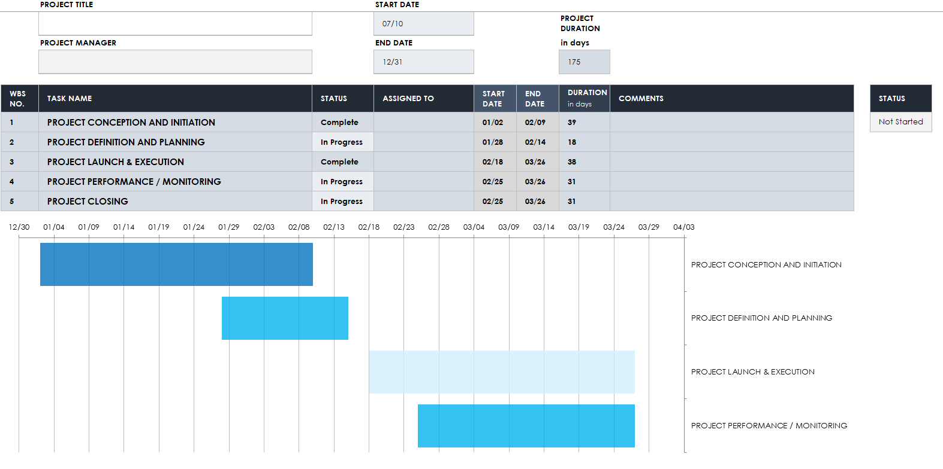

Project Plan
 | PROJECT TITLE |  | START DATE
 | E-Commerce Payment Service |  | 2020-07-01 |  |  | PROJECT DURATION
 | PROJECT MANAGER |  | END DATE |  |  | in days
 | Andrew Smith |  | 2020-12-31 |  |  | 184

WBS NO. | TASK NAME | STATUS | ASSIGNED TO | START DATE | END DATE | DURATION in days | COMMENTS | STATUS
1 | PROJECT CONCEPTION AND INITIATION | In Progress |  |  |  |  |  | Not Started
1.1 | – Project Charter | In Progress |  |  |  |  |  | In Progress
1.1.1 | –– Project Charter Revisions | In Progress |  |  |  |  |  | Complete
1.2 | – Research | Not Started |  |  |  |  |  | On Hold
1.3 | – Projections | In Progress
1.4 | – Stakeholders | In Progress
1.5 | – Governance model | Not Started
1.6 | – High level budget planning | Not Started
1.7 | – Project Initiation | Not Started
2 | PROJECT DEFINITION AND PLANNING | Not Started
2.1 | – Scope & Goal Setting | Not Started
2.2 | – Setting meetings | Not Started
2.3 | – Budget review | Not Started
2.4 | – WBS | Not Started
2.5 | – Assignment | Not Started
2.6 | – Resource Palnning | Not Started
2.7 | – Communication Plan | Not Started
2.8 | – Risk Management/Risk Register | Not Started
3 | PROJECT LAUNCH & EXECUTION | Not Started
3.1 | – Mission Statement | Not Started
3.2 | – Project Controls | Not Started
3.3 | – Documentation (Functional spec, process design) | Not Started
3.4 | – Implementation (infrastructure) | Not Started
3.5 | – UX Design | Not Started
3.6 | – Development | Not Started
3.7 | – Qulaity Assurance/Quality Control | Not Started
3.8 | – KPIs | Not Started
4 | PROJECT PERFORMANCE / MONITORING | Not Started
4.1 | – Measure Performance | Not Started
4.2 | – Project tracking | Not Started
4.3 | – Change Management | Not Started
4.4 | – Risk Management | Not Started
4.5 | – Quality Control | Not Started
5 | PROJECT CLOSING | Not Started
5.1 | – Confirm work done as per requirement | Not Started
5.2 | – Gain formal acceptance | Not Started
5.3 | – Complete final performance testing/UAT | Not Started
5.4 | – update lessons learnt | Not Started
 | START DATE | DURATION in days
PROJECT CONCEPTION AND INITIATION
– Project Charter
–– Project Charter Revisions
– Research
– Projections
– Stakeholders
– Governance model
– High level budget planning
– Project Initiation
PROJECT DEFINITION AND PLANNING
– Scope & Goal Setting
– Setting meetings
– Budget review
– WBS
– Assignment
– Resource Palnning
– Communication Plan
– Risk Management/Risk Register
PROJECT LAUNCH & EXECUTION
– Mission Statement
– Project Controls
– Documentation (Functional spec, process design)
– Implementation (infrastructure)
– UX Design
– Development
– Qulaity Assurance/Quality Control
– KPIs
PROJECT PERFORMANCE / MONITORING
– Measure Performance
– Project tracking
– Change Management
– Risk Management
– Quality Control

Release Dashboard
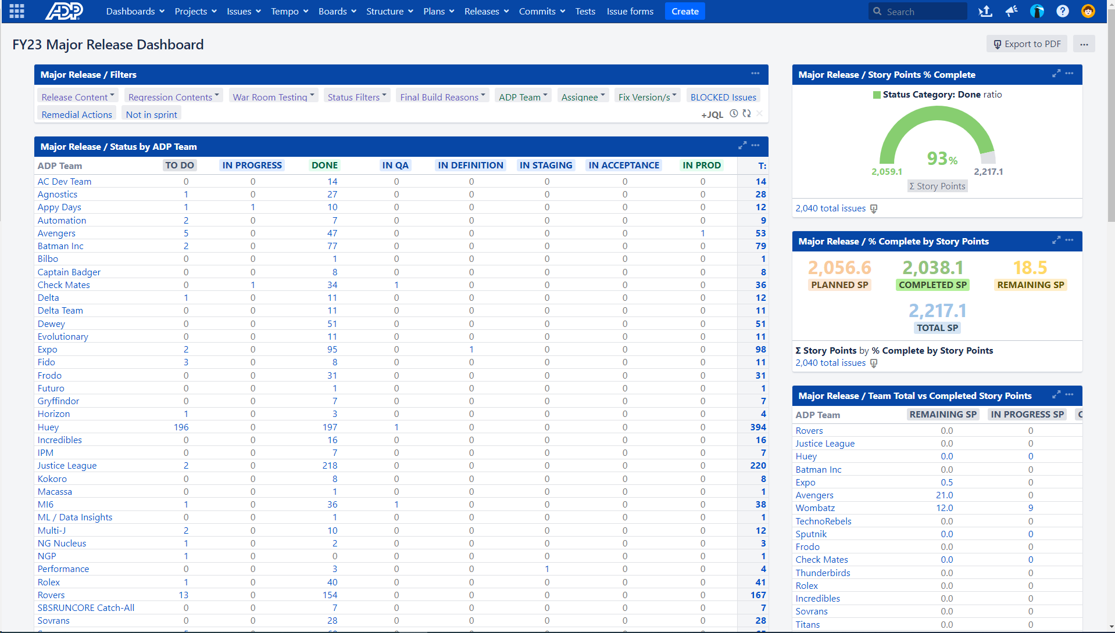

Patching Board
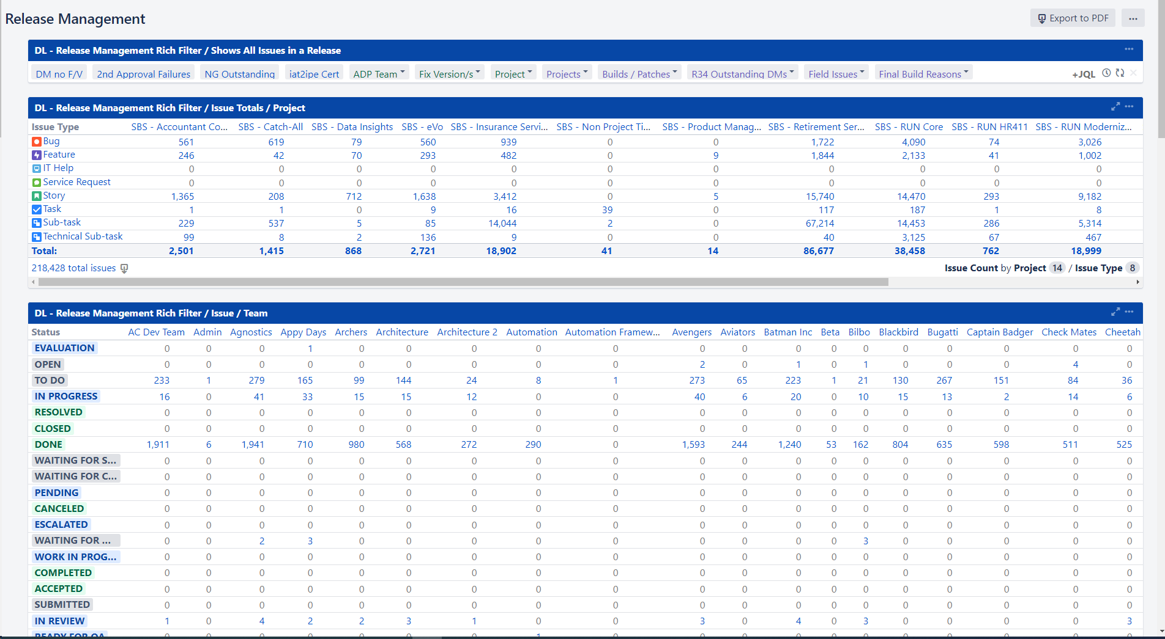

Specific patch
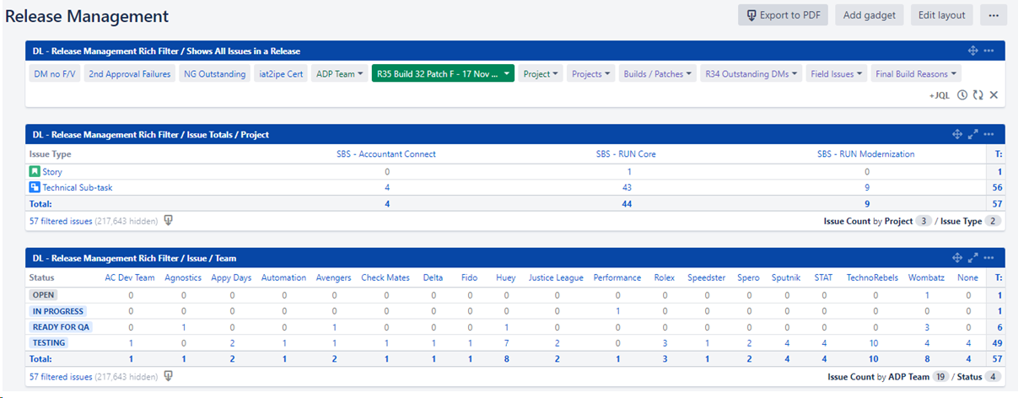

Kanban Board
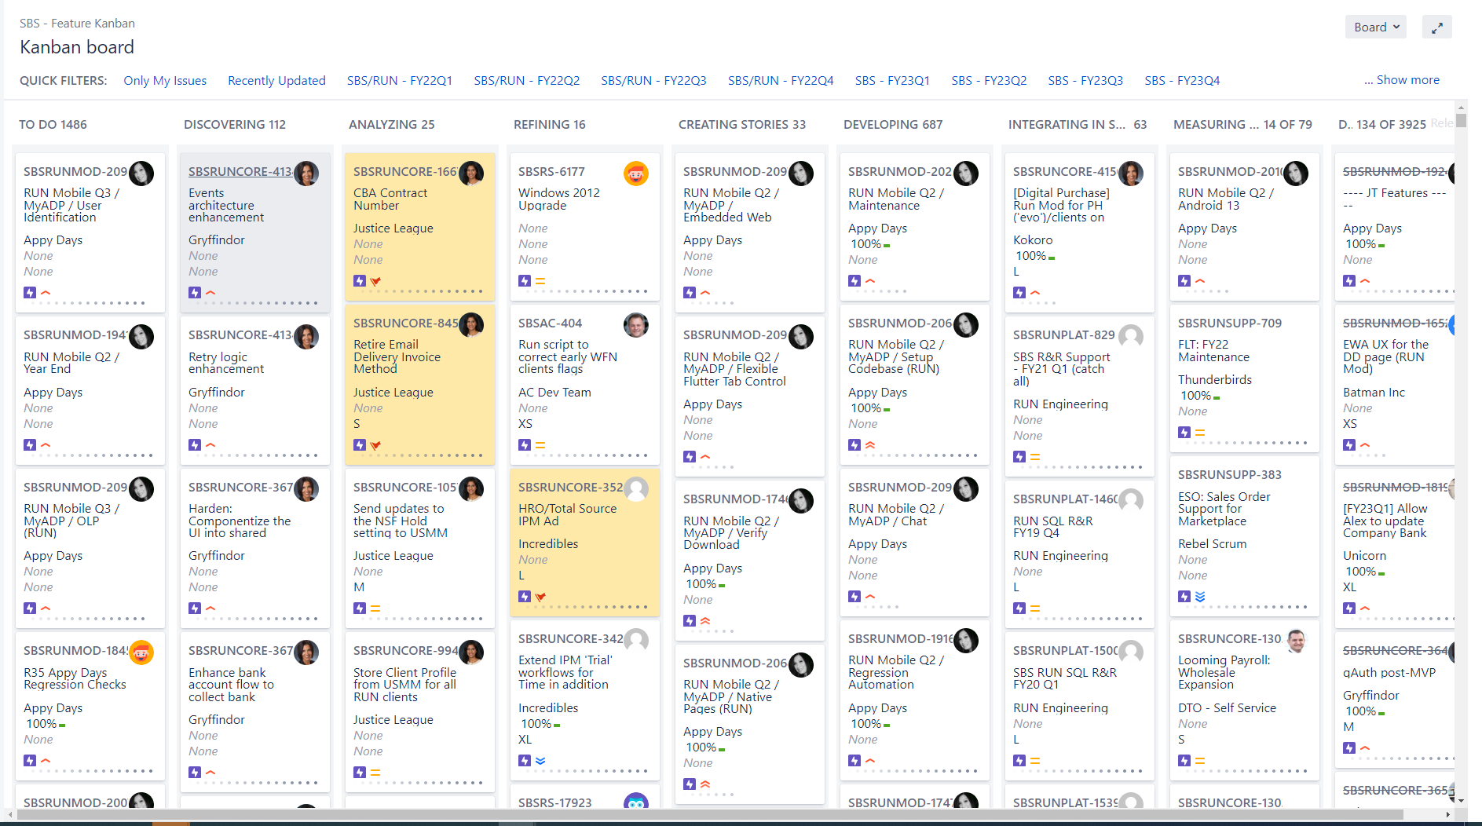

Tech Sub task for patching
